Sheet1
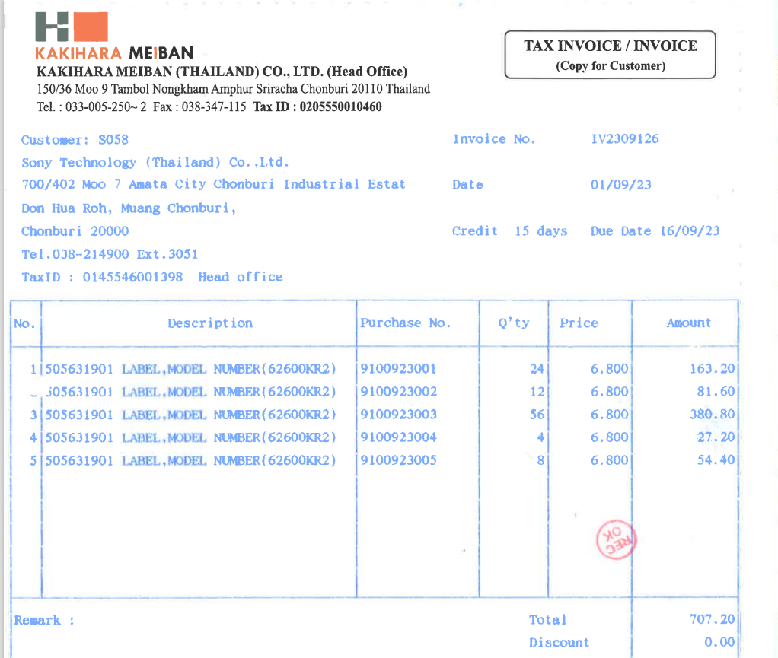

INVOICE_NO

ITEM_NO
PO_NO
QTY
UNIT_PRICE
AMOUNT

